Sheet1
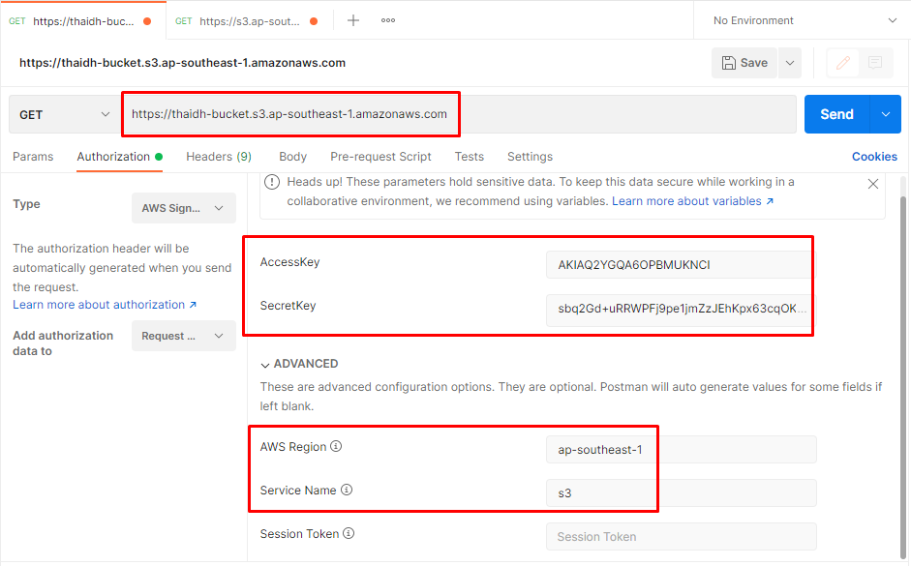
Get list bucket
https://s3.ap-southeast-1.amazonaws.com

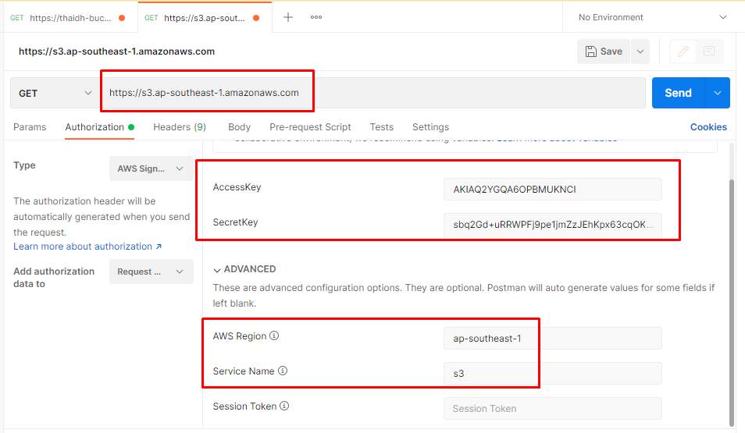

Get list object in bucket
https://thaidh-bucket.s3.ap-southeast-1.amazonaws.com

